Balmain Men offer
photo | brand | typology | art code | color | size from S to XXL | q.ty | retail price
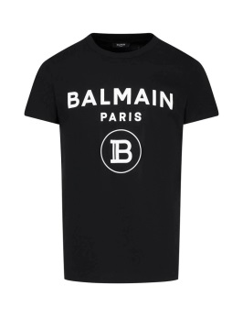 | Balmain | tshirt | UH11601I372 EAB | black | pack of 10 pieces | 30 | € 295.00
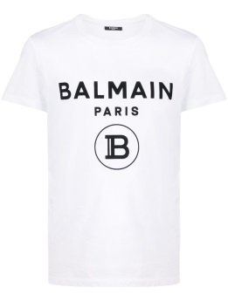 | Balmain | tshirt | UH11601I372 GAB | white | pack of 10 pieces | 30 | € 295.00
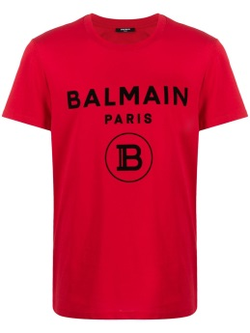 | Balmain | tshirt | UH11601I372 MAB | red | pack of 10 pieces | 30 | € 295.00
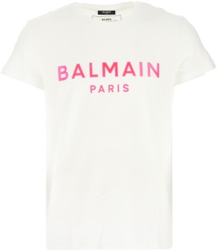 | Balmain | tshirt | TH01601I307GBY | hite | pack of 10 pieces | 30 | € 295.00
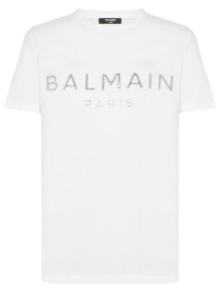 | Balmain | tshirt | TH01601I307GDI | white | pack of 10 pieces | 30 | € 295.00
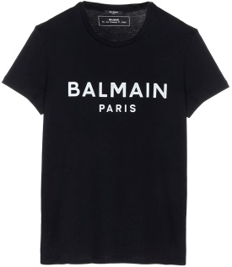 | Balmain | tshirt | TH01601I307EAB | black | pack of 10 pieces | 30 | € 295.00
 | Balmain | tshirt | TH012521309 GDU | white | pack of 10 pieces | 30 | € 295.00
 | Balmain | tshirt | TH012521309 EAL | black | pack of 10 pieces | 30 | € 295.00
 |  |  |  |  |  | 240

